Infographic Gallery
Infographic Gallery
These are custom account-specific YardFlow infographics stored in the workbook for quick share, export, or screenshot. Each one is a meeting hypothesis, not a claim of live deployment at that account.

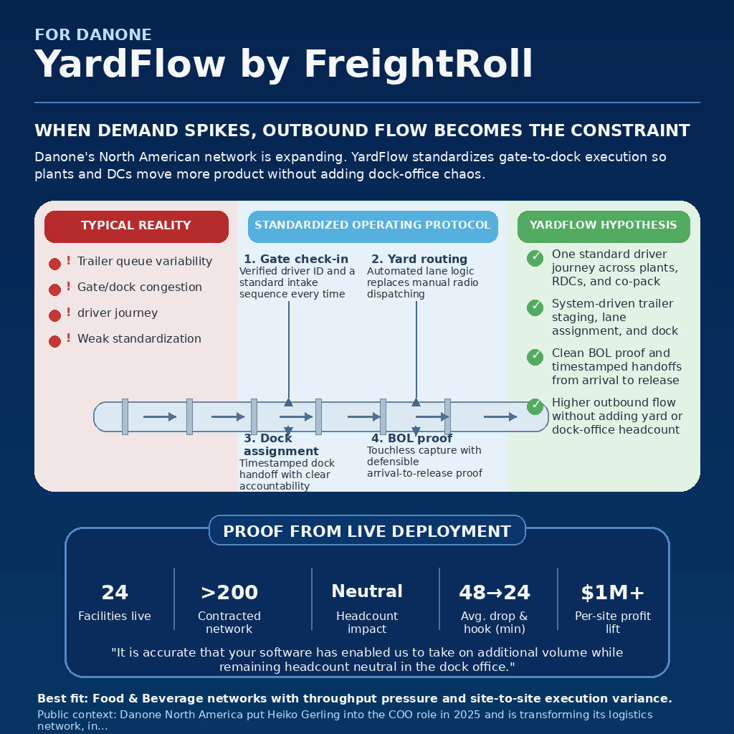
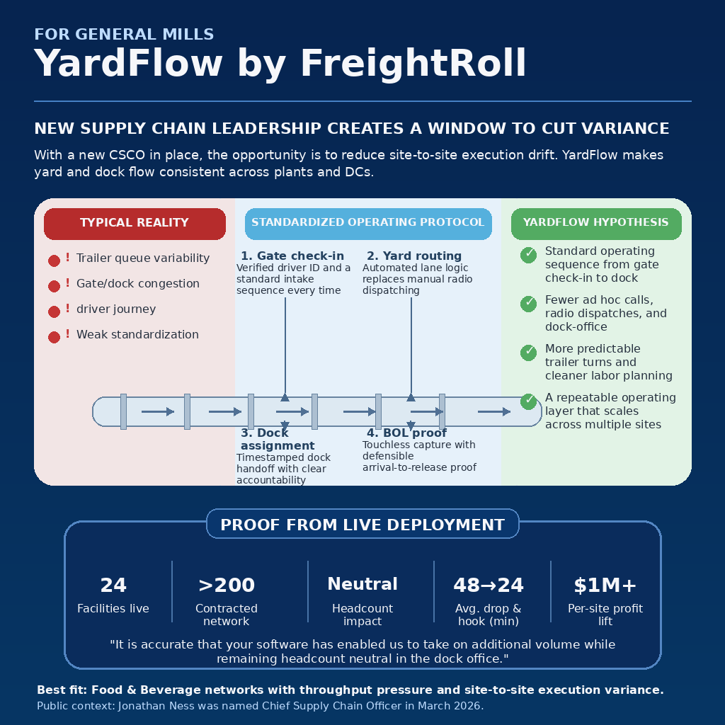

1. Danone — WHEN DEMAND SPIKES, OUTBOUND FLOW BECOMES THE CONSTRAINT | 2. General Mills — NEW SUPPLY CHAIN LEADERSHIP CREATES A WINDOW TO CUT VARIANCE
Danone's North American network is expanding. YardFlow standardizes gate-to-dock execution so plants and DCs move more product without adding dock-office chaos. | With a new CSCO in place, the opportunity is to reduce site-to-site execution drift. YardFlow makes yard and dock flow consistent across plants and DCs.

Exec anchor: Heiko Gerling | Chief Operations Officer, North America | Operator anchor: Whitney Klemm | Supply Chain Leader | Exec anchor: Jonathan Ness | Chief Supply Chain Officer | Operator anchor: Nisar Ahsanullah | General Mills supply chain leader

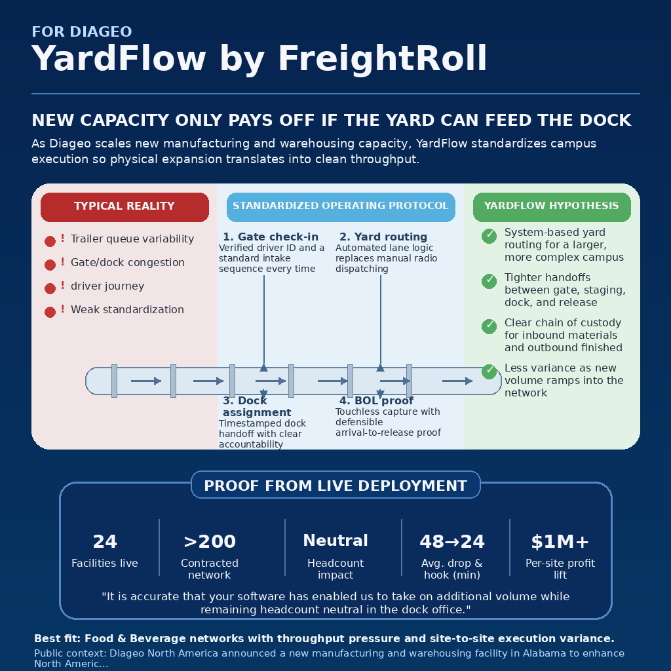

3. Frito-Lay — IN A HIGH-VELOCITY SNACK NETWORK, SMALL DELAYS STACK FAST | 4. Diageo — NEW CAPACITY ONLY PAYS OFF IF THE YARD CAN FEED THE DOCK
Frito-Lay wins on speed and consistency. YardFlow reduces gate friction, dispatch lag, and dock confusion so trailer flow stays tight under peak volume. | As Diageo scales new manufacturing and warehousing capacity, YardFlow standardizes campus execution so physical expansion translates into clean throughput.

Exec anchor: Beth Mars | Transportation Director | Operator anchor: Brian Watson | Vice President of Supply Chain | Exec anchor: Raymond Reddrick | SVP North America Supply - Manufacturing and Distillation | Operator anchor: Marsha McIntosh-Hamilton | President of North America Supply
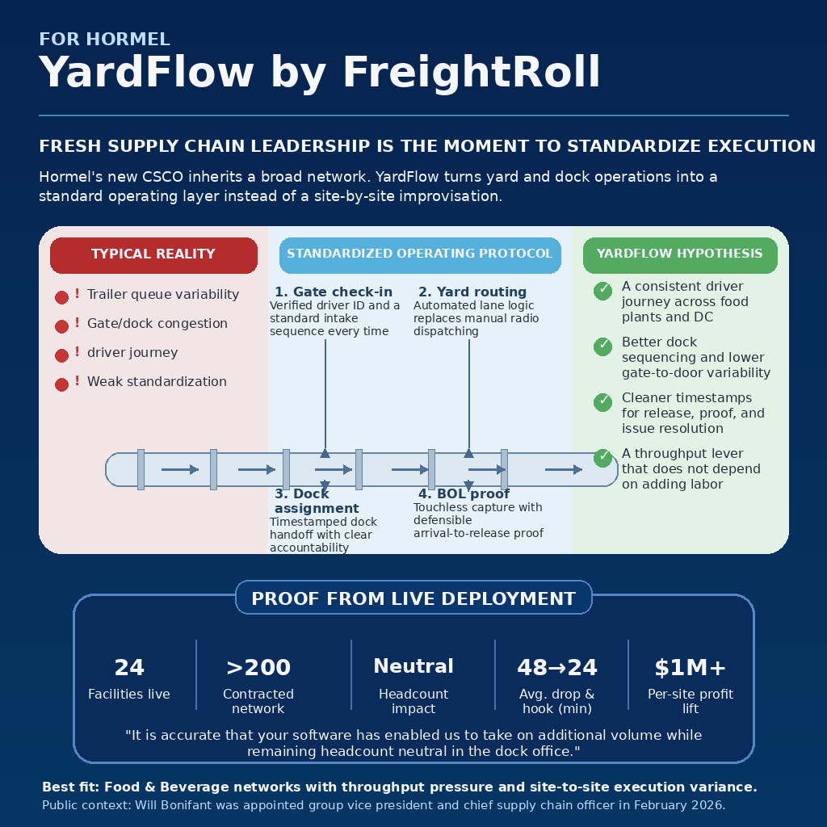
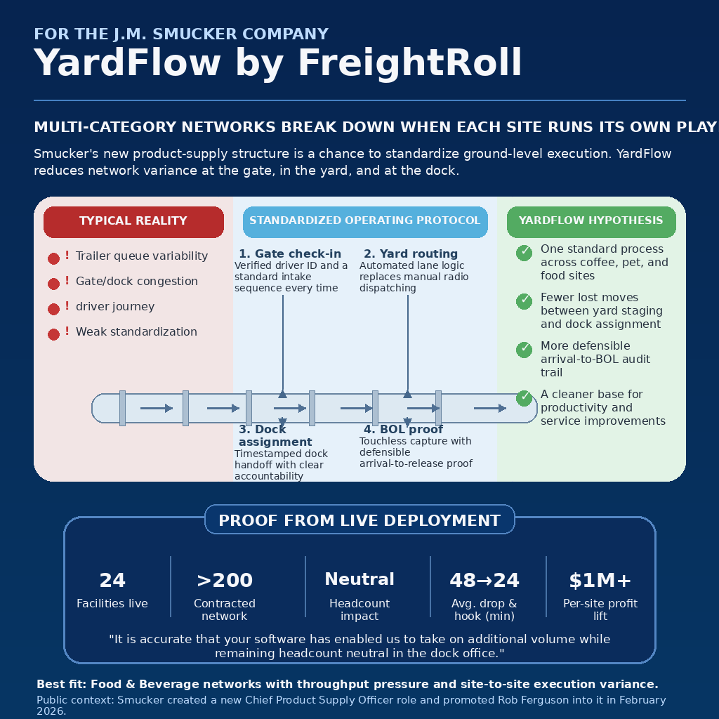

5. Hormel Foods — FRESH SUPPLY CHAIN LEADERSHIP IS THE MOMENT TO STANDARDIZE EXECUTION | 6. JM Smucker — MULTI-CATEGORY NETWORKS BREAK DOWN WHEN EACH SITE RUNS ITS OWN PLAYBOOK
Hormel's new CSCO inherits a broad network. YardFlow turns yard and dock operations into a standard operating layer instead of a site-by-site improvisation. | Smucker's new product-supply structure is a chance to standardize ground-level execution. YardFlow reduces network variance at the gate, in the yard, and at the dock.

Exec anchor: Will Bonifant | Group Vice President and Chief Supply Chain Officer | Operator anchor: Nicholas Schwartz | Supply Chain Planning COE & Strategy Lead | Exec anchor: Rob Ferguson | Chief Product Supply Officer | Executive Vice President, Coffee, Pet, and Away From Home | Operator anchor: Anbu Kuppusamy | Transportation Function Leader
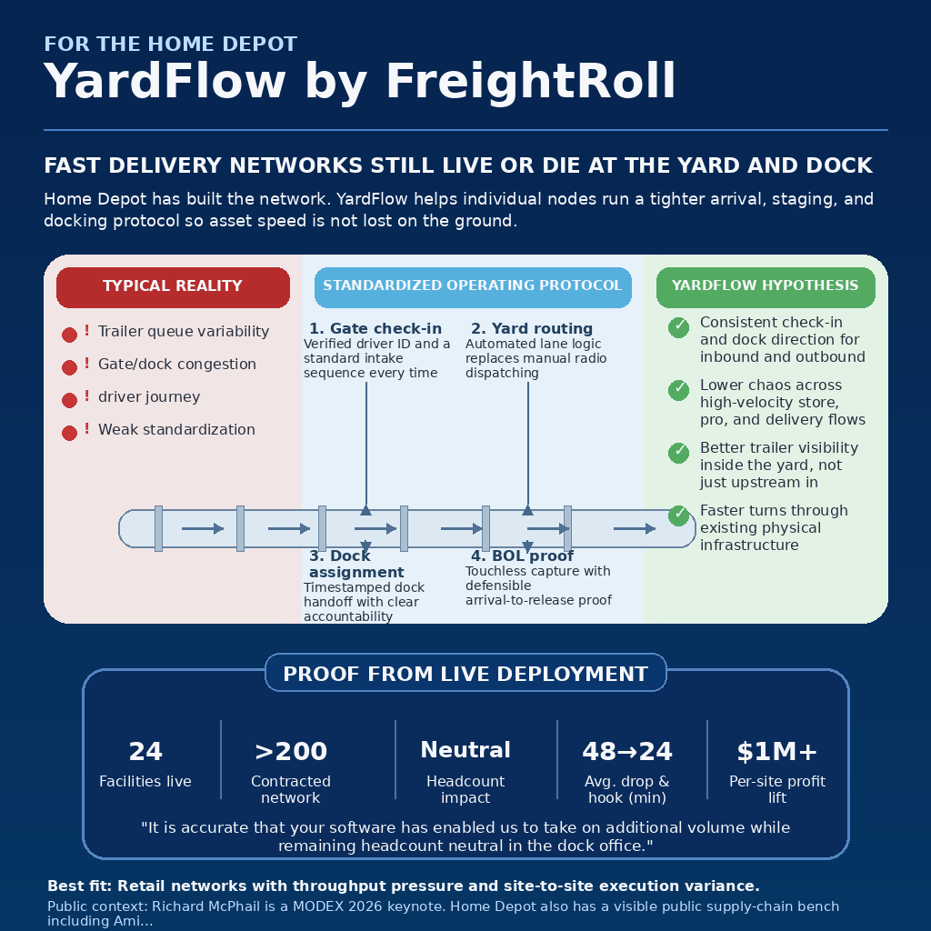
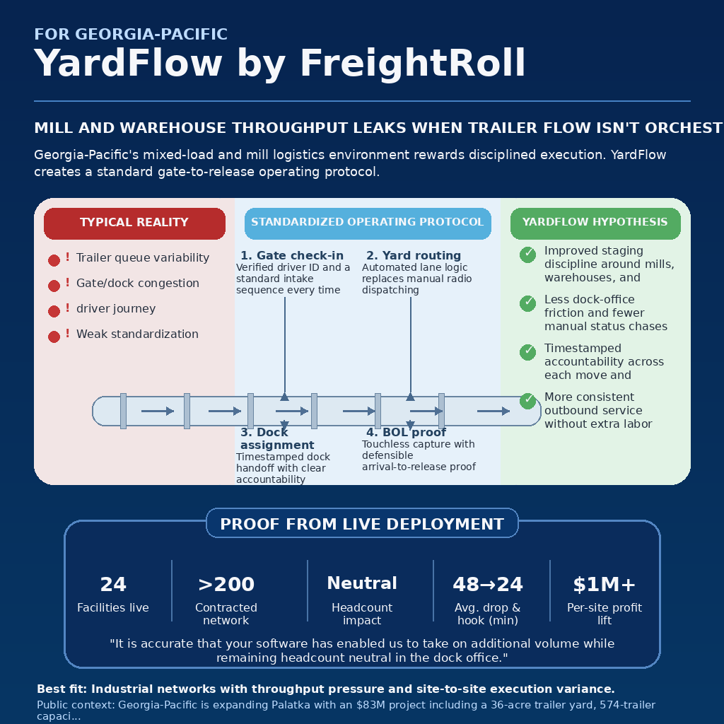

7. The Home Depot — FAST DELIVERY NETWORKS STILL LIVE OR DIE AT THE YARD AND DOCK | 8. Georgia Pacific — MILL AND WAREHOUSE THROUGHPUT LEAKS WHEN TRAILER FLOW ISN'T ORCHESTRATED
Home Depot has built the network. YardFlow helps individual nodes run a tighter arrival, staging, and docking protocol so asset speed is not lost on the ground. | Georgia-Pacific's mixed-load and mill logistics environment rewards disciplined execution. YardFlow creates a standard gate-to-release operating protocol.

Exec anchor: John Deaton | Executive Vice President – Supply Chain & Product Development | Operator anchor: Amit Kalra | Senior Vice President – Supply Chain | Exec anchor: Jeremy Finley | Vice President, Supply Chain | Operator anchor: Ryan Hutcherson | Senior Vice President, Supply Chain
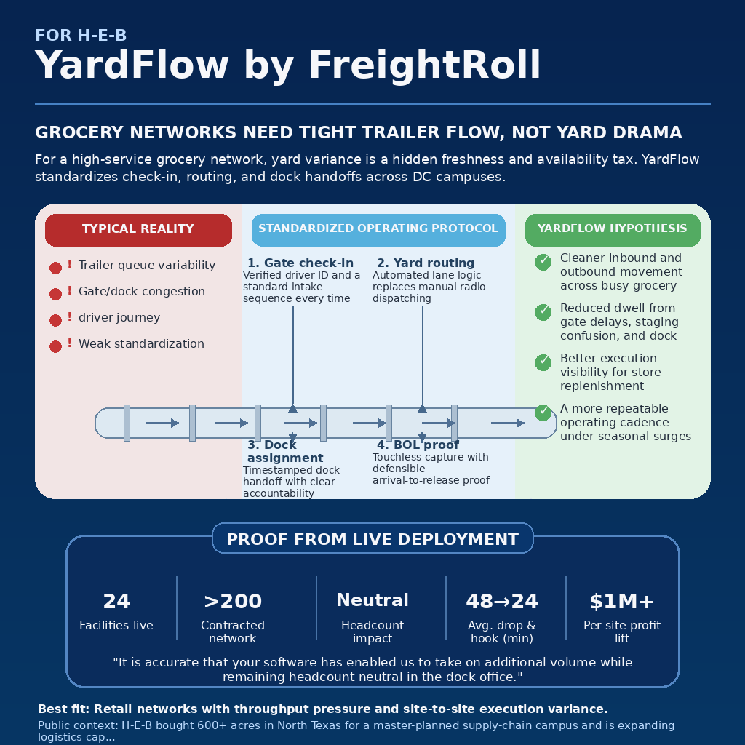


9. H-E-B — GROCERY NETWORKS NEED TIGHT TRAILER FLOW, NOT YARD DRAMA | 10. Hyundai Motor America — SEQUENCED MANUFACTURING SUFFERS WHEN YARD EXECUTION IS LOOSE
For a high-service grocery network, yard variance is a hidden freshness and availability tax. YardFlow standardizes check-in, routing, and dock handoffs across DC campuses. | Automotive networks cannot afford trailer ambiguity. YardFlow brings timestamped control to check-in, routing, staging, and dock release around plant operations.

Exec anchor: Dakota Socha | Transportation & Reverse Logistics | Operator anchor: Craig Stucker | Director, Parkway Transport at H-E-B | Exec anchor: Carey Gammon | Director, Vehicle Operations (HMA) | Operator anchor: Yongchul Chung | Senior Manager, Global Logistics & Supply Chain

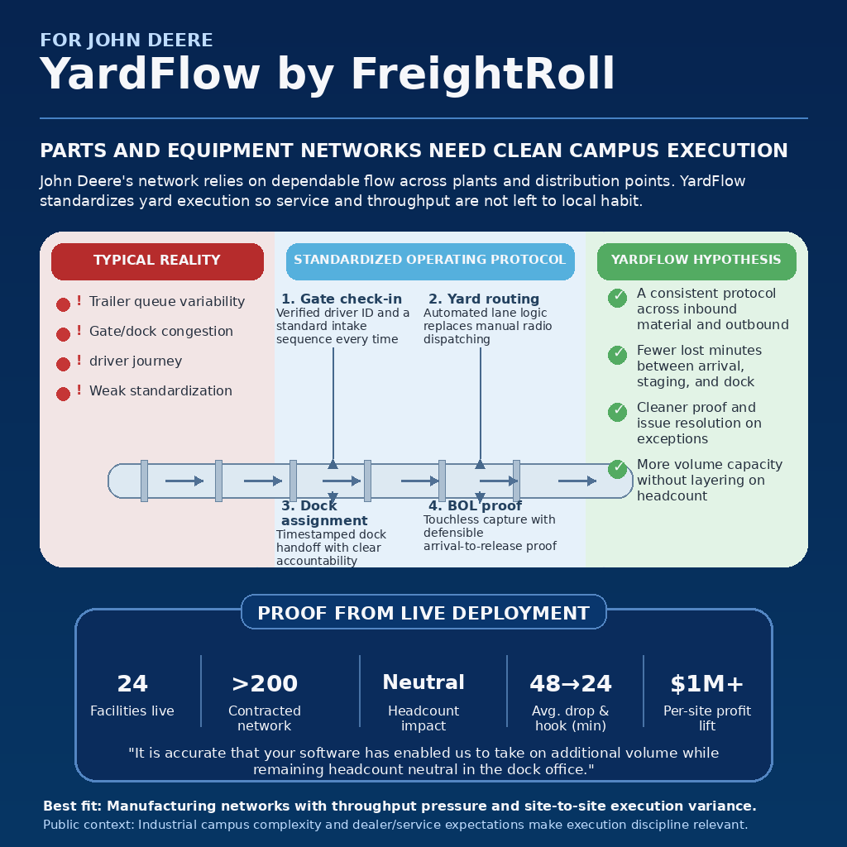

11. Honda — PLANT FLOW BREAKS WHEN CHECK-IN, STAGING, AND DOCK MOVES AREN'T STANDARD | 12. John Deere — PARTS AND EQUIPMENT NETWORKS NEED CLEAN CAMPUS EXECUTION
Honda's manufacturing rhythm depends on disciplined logistics. YardFlow creates a repeatable arrival-to-release protocol that supports plant continuity. | John Deere's network relies on dependable flow across plants and distribution points. YardFlow standardizes yard execution so service and throughput are not left to local habit.

Exec anchor: Jim Small | Executive Vice President, Manufacturing | Operator anchor: Nicole Miller | Logistics leader | Exec anchor: Cory Reed | President, Worldwide Agriculture & Turf, Production & Precision Ag, Customer Success | Operator anchor: Steve Wilhelmi | Vice President, Logistics



13. Kenco Logistics Services — MULTI-CLIENT CAMPUSES BECOME CHAOTIC WITHOUT A SHARED OPERATING LAYER | 14. Barnes & Noble — STORE REPLENISHMENT GETS NOISY WHEN DC YARDS RUN ON WORKAROUNDS
As a 3PL, Kenco wins when sites stay predictable for multiple customers at once. YardFlow standardizes the yard and dock operating sequence across busy campuses. | Book distribution may look calm until peaks hit. YardFlow helps DCs run a cleaner check-in, staging, and dock protocol so replenishment stays predictable.

Exec anchor: Kristi Montgomery | VP Innovation, Research & Development | Operator anchor: Denis Reilly | Chief Commercial Officer | Exec anchor: Annette Danek-Akey | Chief Supply Chain Officer | Operator anchor: Lance Dippold | VP supply chain / distribution leader
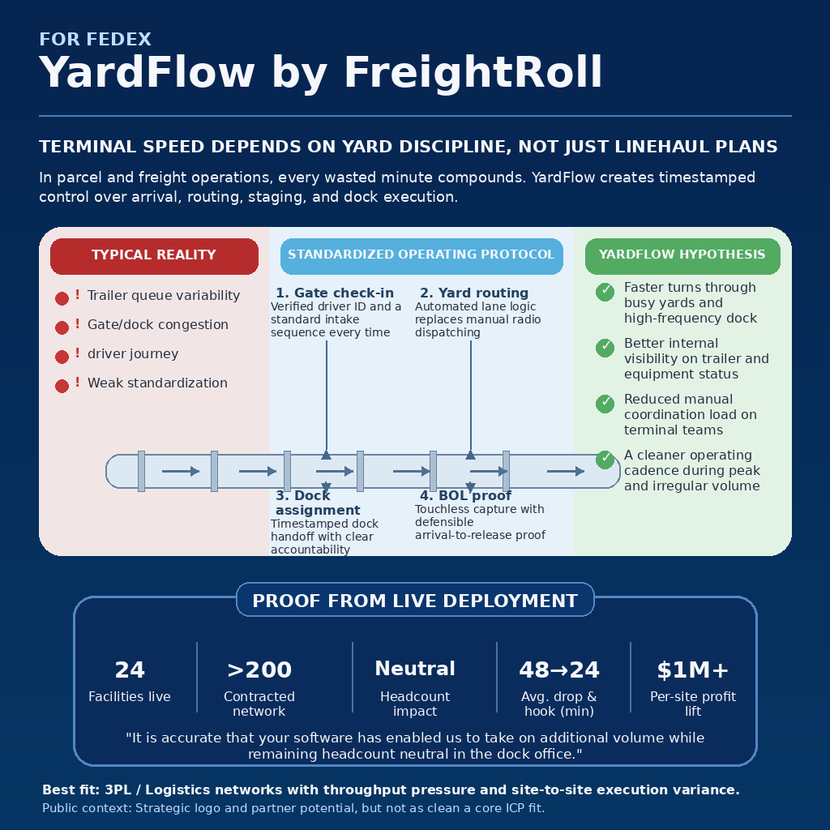
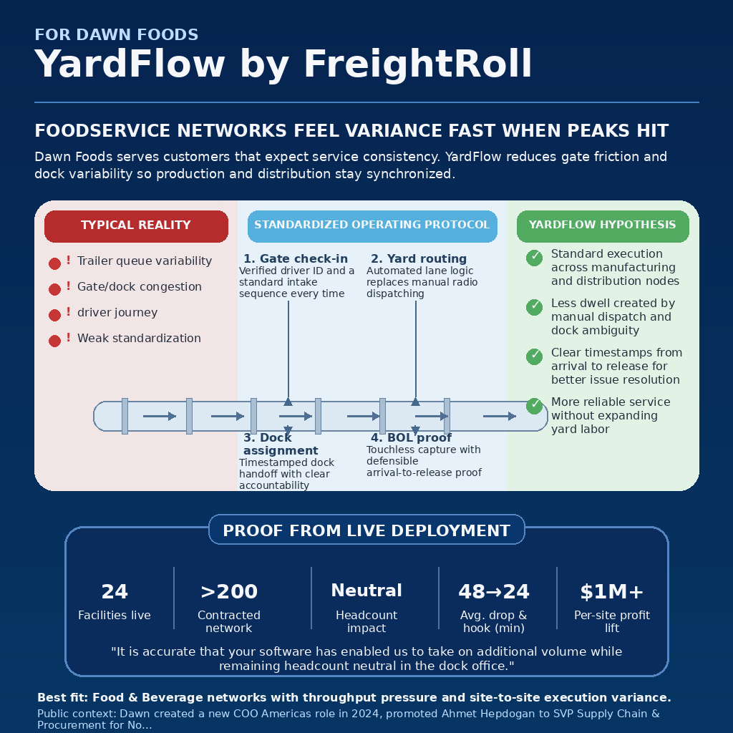

15. FedEx — TERMINAL SPEED DEPENDS ON YARD DISCIPLINE, NOT JUST LINEHAUL PLANS | 16. Dawn Foods — FOODSERVICE NETWORKS FEEL VARIANCE FAST WHEN PEAKS HIT
In parcel and freight operations, every wasted minute compounds. YardFlow creates timestamped control over arrival, routing, staging, and dock execution. | Dawn Foods serves customers that expect service consistency. YardFlow reduces gate friction and dock variability so production and distribution stay synchronized.

Exec anchor: Richard Smith | COO, Airline and International | Operator anchor: Moe Wasiuddin | network planning / hub ops leader | Exec anchor: John Schmitz | Chief Operating Officer, Americas | Operator anchor: Ahmet Hepdogan | SVP Supply Chain & Procurement, North America
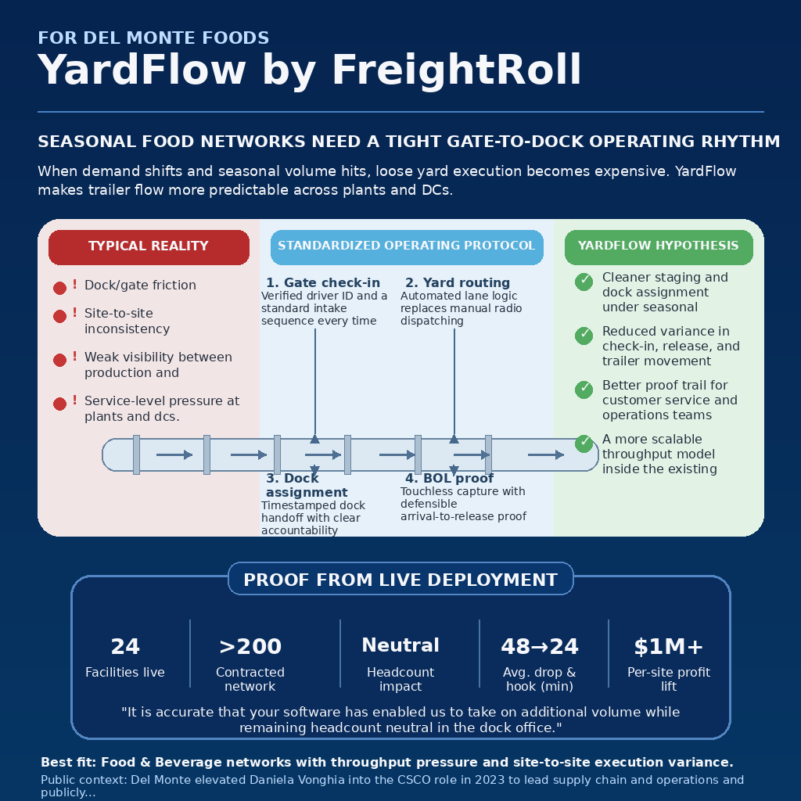
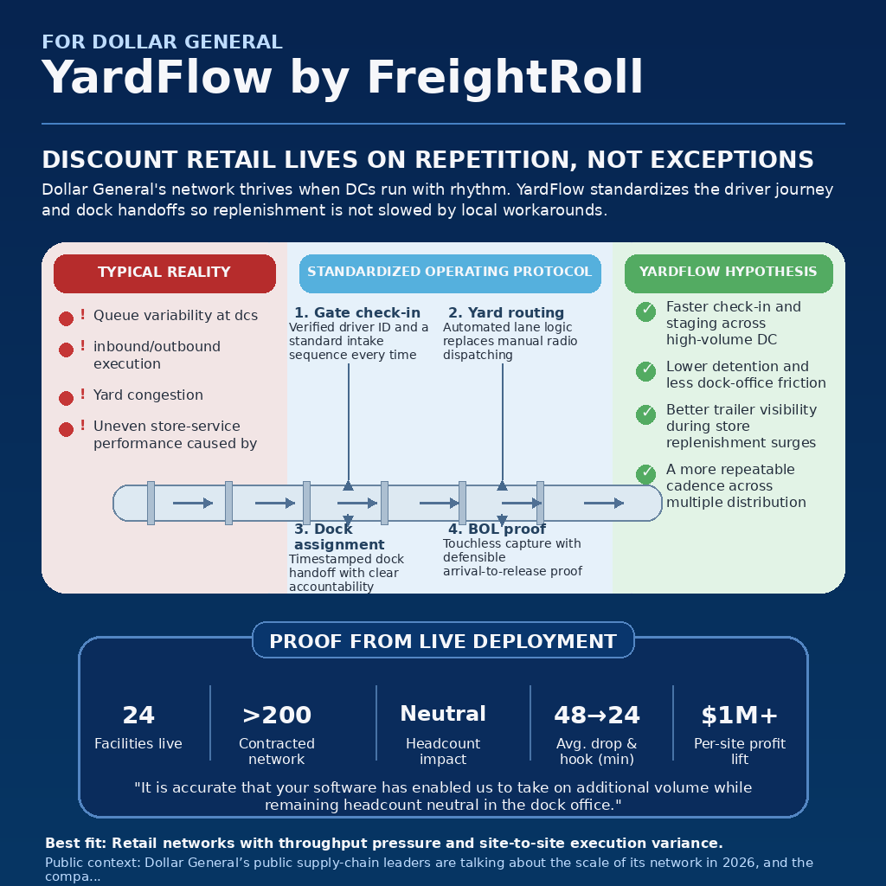

17. Del Monte Foods — SEASONAL FOOD NETWORKS NEED A TIGHT GATE-TO-DOCK OPERATING RHYTHM | 18. Dollar General — DISCOUNT RETAIL LIVES ON REPETITION, NOT EXCEPTIONS
When demand shifts and seasonal volume hits, loose yard execution becomes expensive. YardFlow makes trailer flow more predictable across plants and DCs. | Dollar General's network thrives when DCs run with rhythm. YardFlow standardizes the driver journey and dock handoffs so replenishment is not slowed by local workarounds.

Exec anchor: Daniela Vonghia | Chief Supply Chain Officer | Operator anchor: Sarah Conroy | Director, Customer Supply Chain Solutions | Exec anchor: Rod West | EVP, Global Supply Chain | Operator anchor: Rebecca Powers | VP Distribution Centers
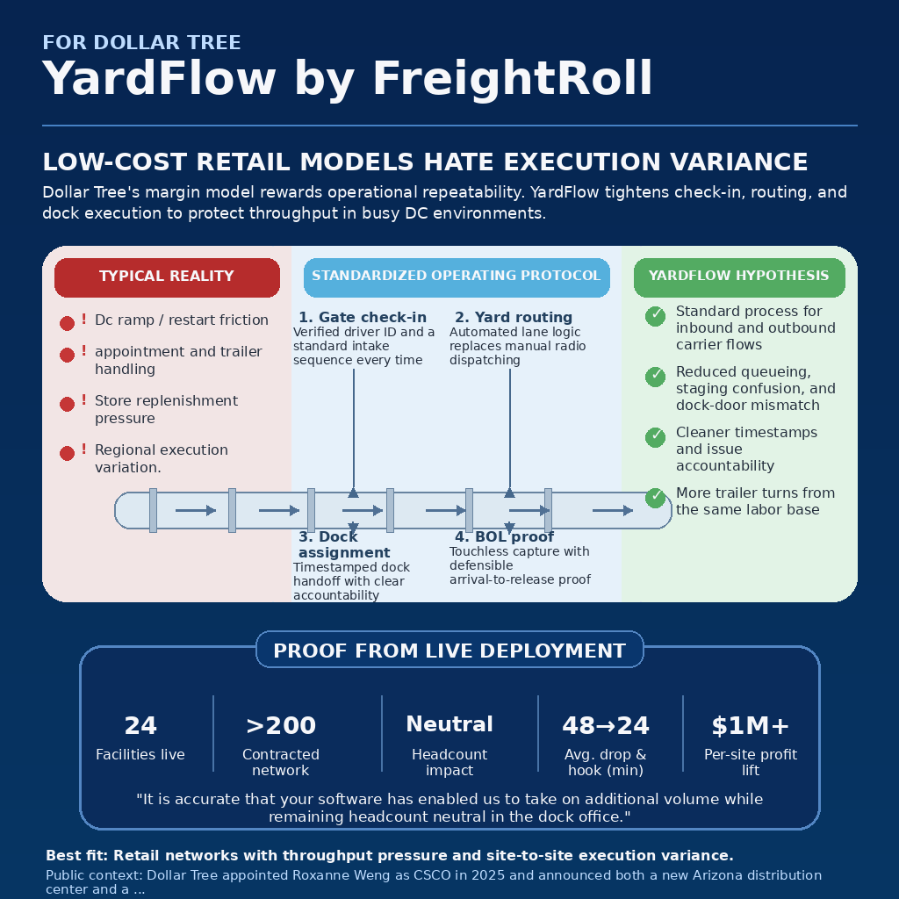
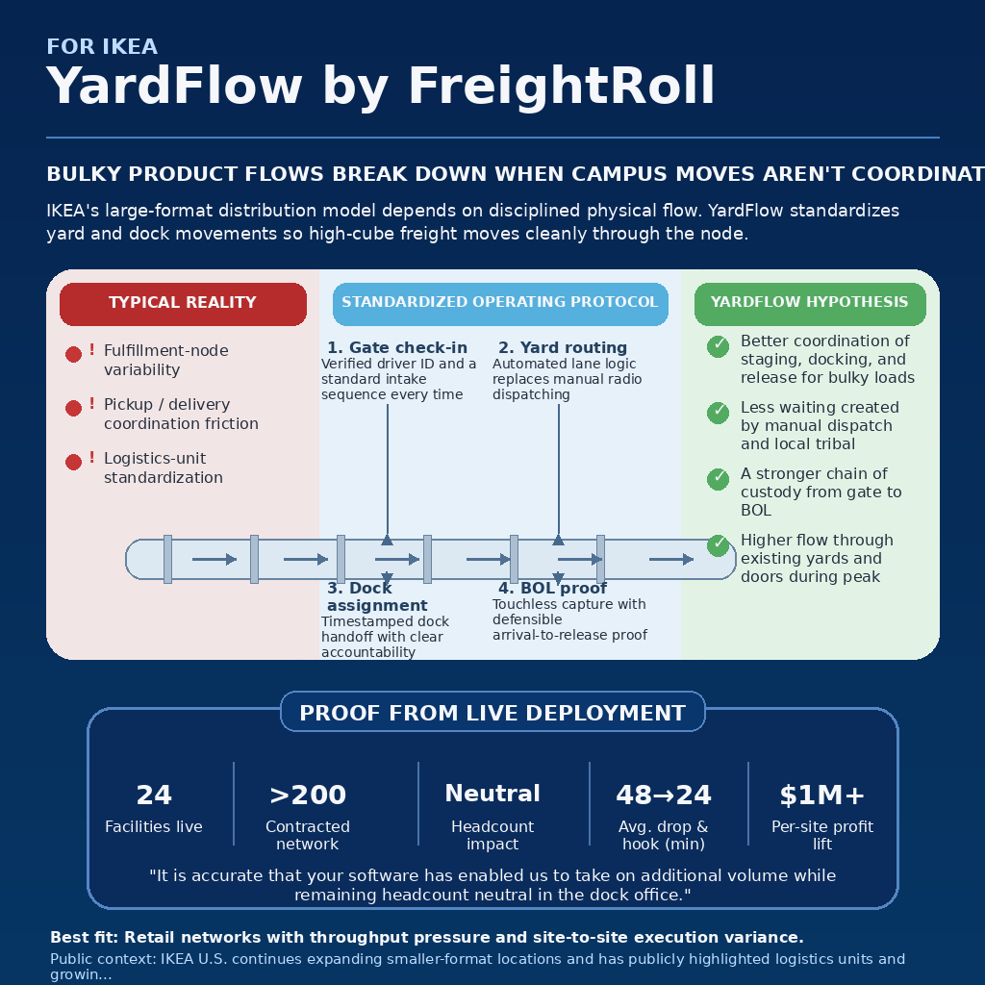

19. Dollar Tree — LOW-COST RETAIL MODELS HATE EXECUTION VARIANCE | 20. IKEA — BULKY PRODUCT FLOWS BREAK DOWN WHEN CAMPUS MOVES AREN'T COORDINATED
Dollar Tree's margin model rewards operational repeatability. YardFlow tightens check-in, routing, and dock execution to protect throughput in busy DC environments. | IKEA's large-format distribution model depends on disciplined physical flow. YardFlow standardizes yard and dock movements so high-cube freight moves cleanly through the node.

Exec anchor: Roxanne Weng | Chief Supply Chain Officer | Operator anchor: Adam Janatsch | VP Distribution Operations | Exec anchor: Rob Olson | Chief Operating Officer, IKEA U.S. | Operator anchor: Pam Andrews | Vice President of Logistics

